HA494&HA496
FACE CREAM - INGREDIENT LIST
No. | CTFA INCI Name | CAS NO | PURPOSE | HA494 VITAMIN C | HA496 HYALURONATE ACID
1 | WATER | 7732-18-5 | Solvent | 82.35000 | 82.30000
2 | BUTYLENE GLYCOL | 107-88-0 | Humectant | 3.00000 | 3.00000
3 | CAPRYLIC/CAPRIC TRIGLYCERIDE | 65381-09-1;73398-61-5 | Emollient | 2.00000 | 2.00000
4 | GLYCERETH-26 | 31694-55-0 | Humectant | 2.00000 | 2.00000
5 | ISOPROPYL MYRISTATE | 110-27-0 | Solvent | 1.50000 | 1.50000
6 | BUTYROSPERMUM PARKII (SHEA) BUTTER | 91080-23-8;194043-92-0 | Emollient | 1.50000 | 1.50000
7 | DIMETHICONE | 107-52-8;141-62-8;141-63-9;9006-65-9;9016-00-6;63148-62-9 | Emollient | 1.50000 | 1.50000
8 | PEG-20 METHYL GLUCOSE SESQUISTEARATE |  | Emulsifying | 1.40000 | 1.40000
9 | PEG-100 STEARATE | 9004-99-3 | Emulsifying | 1.05000 | 1.05000
10 | PHENOXYETHANOL | 122-99-6 | Preservative | 0.72000 | 0.72000
11 | BEHENYL ALCOHOL | 661-19-8 | Emulsifying | 0.60000 | 0.60000
12 | ACRYLATES COPOLYMER | 25035-69-2;25212-88-8;25685-29-4;159666-35-0 | Emulsifying | 0.56000 | 0.56000
13 | GLYCERYL STEARATE | 123-94-4;11099-07-3;31566-31-1;85666-92-8 | Emulsifying | 0.45000 | 0.45000
14 | TRIETHANOLAMINE | 102-71-6 | PH Regulator | 0.35000 | 0.35000
15 | CARBOMER | 9003-01-4;9007-16-3;9007-17-4;9062-04-8;76050-42-5 | Viscosity Controlling | 0.35000 | 0.35000
16 | CETEARETH-25 | 68439-49-6 | Emulsifying | 0.24000 | 0.24000
17 | FRAGRANCE |  | Perfuming | 0.20000 | 0.20000
18 | SODIUM HYALURONATE | 9067-32-7 | Humectant |  | 0.10000
19 | ETHYLHEXYLGLYCERIN | 70445-33-9 | Humectant | 0.08000 | 0.08000
20 | XANTHAN GUM | 11138-66-2 | Viscosity Controlling | 0.05000 | 0.05000
21 | DISODIUM EDTA | 139-33-3;6381-92-6 | Stabilizer | 0.05000 | 0.05000
22 | 3-o-ETHYL ASCORBIC ACID | 86404-04-8 | Humectant | 0.05000
Sub (W/W%) |  |  |  | 100.00000 | 100.00000
VITAMIN C INGREDIENTS: WATER, BUTYLENE GLYCOL, CAPRYLIC/CAPRIC TRIGLYCERIDE, GLYCERETH-26, ISOPROPYL MYRISTATE, BUTYROSPERMUM PARKII (SHEA) BUTTER, DIMETHICONE, PEG-20 METHYL GLUCOSE SESQUISTEARATE, PEG-100 STEARATE, PHENOXYETHANOL, BEHENYL ALCOHOL, ACRYLATES COPOLYMER, GLYCERYL STEARATE, TRIETHANOLAMINE, CARBOMER, CETEARETH-25, FRAGRANCE, ETHYLHEXYLGLYCERIN, XANTHAN GUM, DISODIUM EDTA, 3-o-ETHYL ASCORBIC ACID. |  |  |  |  |  | 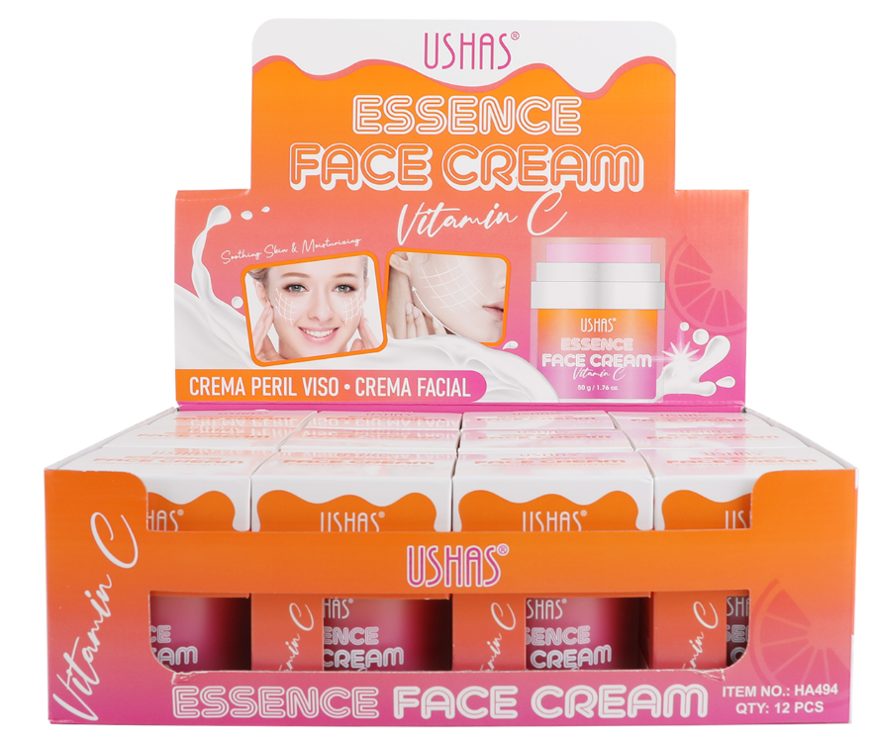
HYALURONATE ACID INGREDIENTS: WATER, BUTYLENE GLYCOL, CAPRYLIC/CAPRIC TRIGLYCERIDE, GLYCERETH-26, ISOPROPYL MYRISTATE, BUTYROSPERMUM PARKII (SHEA) BUTTER, DIMETHICONE, PEG-20 METHYL GLUCOSE SESQUISTEARATE, PEG-100 STEARATE, PHENOXYETHANOL, BEHENYL ALCOHOL, ACRYLATES COPOLYMER, GLYCERYL STEARATE, TRIETHANOLAMINE, CARBOMER, CETEARETH-25, FRAGRANCE, SODIUM HYALURONATE, ETHYLHEXYLGLYCERIN, XANTHAN GUM, DISODIUM EDTA. |  |  |  |  |  | 